Script
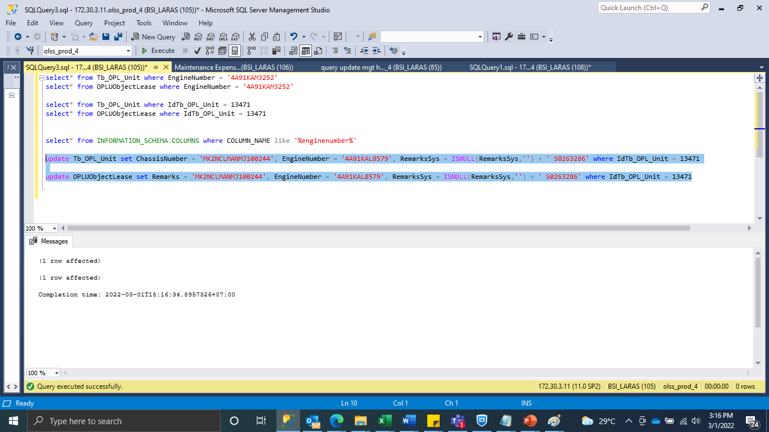
update Tb_OPL_Unit set ChassisNumber = 'MK2NCLMANMJ100244', EngineNumber = '4A91KAL8579', RemarksSys = ISNULL(RemarksSys,'') + ' S0263286' where IdTb_OPL_Unit = 13471

update OPLUObjectLease set Remarks = 'MK2NCLMANMJ100244', EngineNumber = '4A91KAL8579', RemarksSys = ISNULL(RemarksSys,'') + ' S0263286' where IdTb_OPL_Unit = 13471

Screenshot
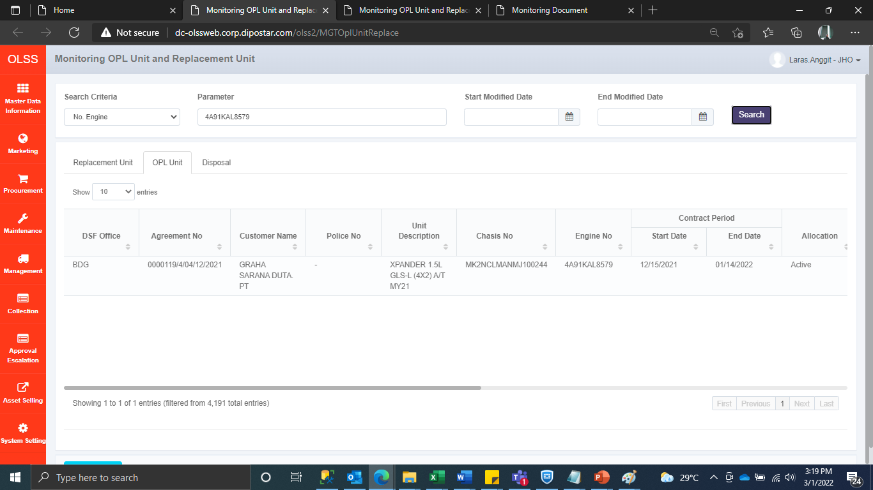
BEFORE


AFTER

